Returns
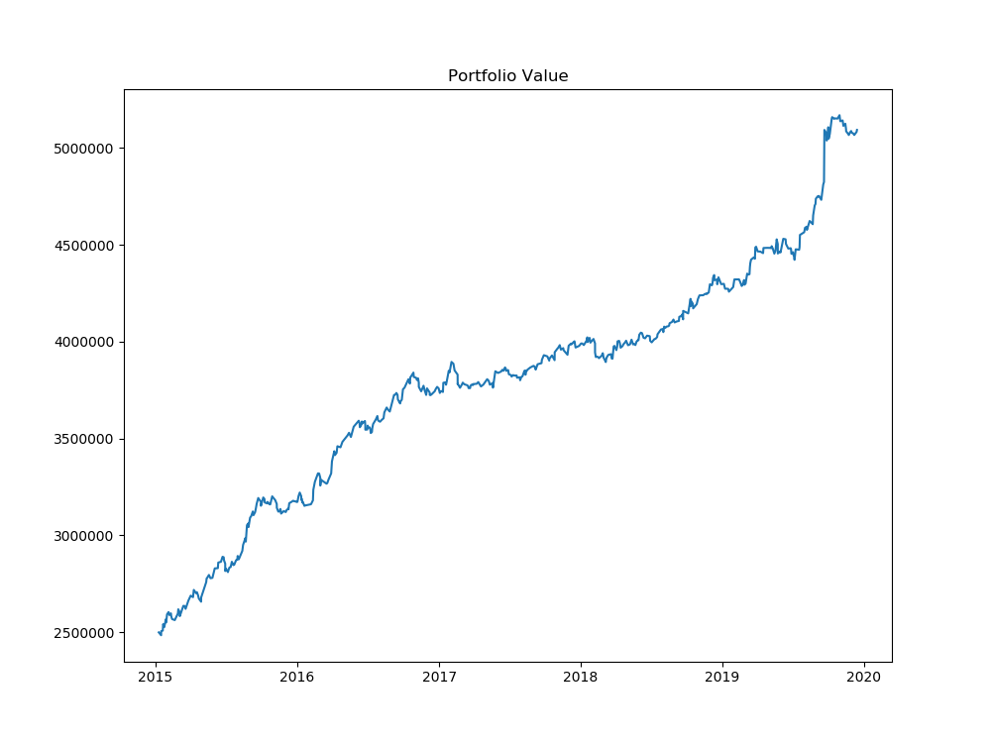
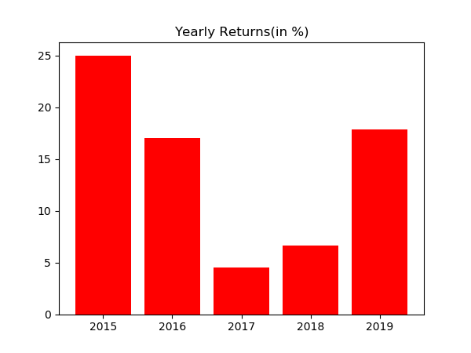
Year | % Returns | Average | StDev
2015-12-31 | 25.02296865 | 14.204199467 | 8.5160859556
2016-12-31 | 17.024233252
2017-12-31 | 4.4966057974
2018-12-31 | 6.6202345276
2019-12-31 | 17.856955108

Month | % Returns | Average | StDev
Jan-15 | 3.5727153969 | 1.1114743254 | 1.8969906756
Feb-15 | 0.90232285996
Mar-15 | 1.5901629584
Apr-15 | 0.47194397663
May-15 | 3.6663271868
Jun-15 | 1.115840089
Jul-15 | 2.6062400808
Aug-15 | 5.0715311781
Sep-15 | 3.4929178402
Oct-15 | 1.4418548514
Nov-15 | -2.5317448063
Dec-15 | 1.3538083998
Jan-16 | -0.72677079195
Feb-16 | 3.1546971381
Mar-16 | 3.8086433757
Apr-16 | 2.9379079812
May-16 | 2.2189001336
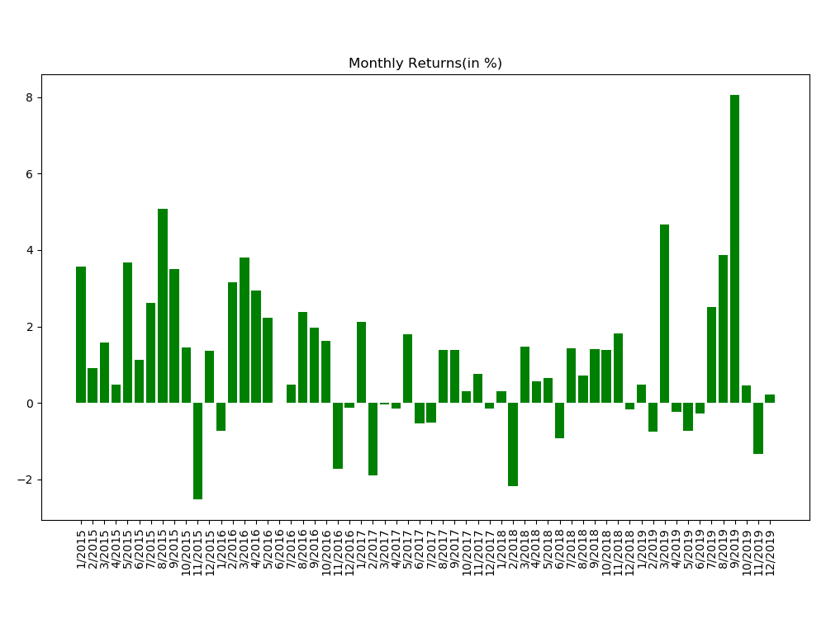
Jun-16 | -0.0010406246029
Jul-16 | 0.48270323257
Aug-16 | 2.373874366
Sep-16 | 1.9693190351
Oct-16 | 1.6290899725
Nov-16 | -1.7314311202
Dec-16 | -0.12967284505
Jan-17 | 2.109888002
Feb-17 | -1.9016728173
Mar-17 | -0.029636434348
Apr-17 | -0.14375217797
May-17 | 1.7932808763
Jun-17 | -0.53686688286
Jul-17 | -0.51849078006
Aug-17 | 1.392604912
Sep-17 | 1.3910949685
Oct-17 | 0.29789889314
Nov-17 | 0.76843289267
Dec-17 | -0.14260757462
Jan-18 | 0.31269242258
Feb-18 | -2.1769924228
Mar-18 | 1.4817423938
Apr-18 | 0.55695841385
May-18 | 0.6505076143
Jun-18 | -0.9188173763
Jul-18 | 1.4376145381
Aug-18 | 0.720021016
Sep-18 | 1.4057384544
Oct-18 | 1.3925405526
Nov-18 | 1.8109157195
Dec-18 | -0.17074636854
Jan-19 | 0.48834183342
Feb-19 | -0.75958715459
Mar-19 | 4.6566266101
Apr-19 | -0.22399593025
May-19 | -0.72932517888
Jun-19 | -0.26972108351
Jul-19 | 2.5162867735
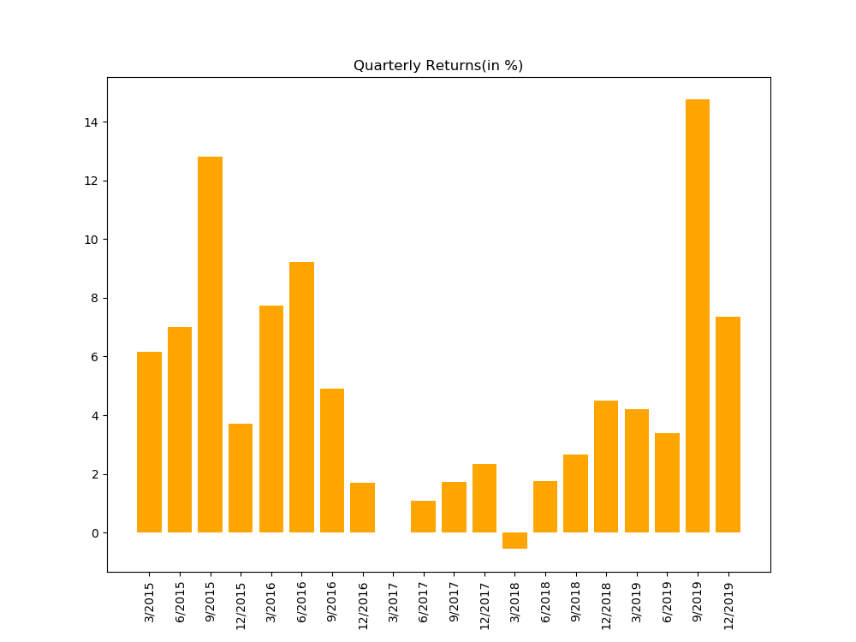
Aug-19 | 3.8685965279
Sep-19 | 8.0665200228
Oct-19 | 0.4679909129
Nov-19 | -1.3364848563
Dec-19 | 0.22072234621

Distribution
